Generator
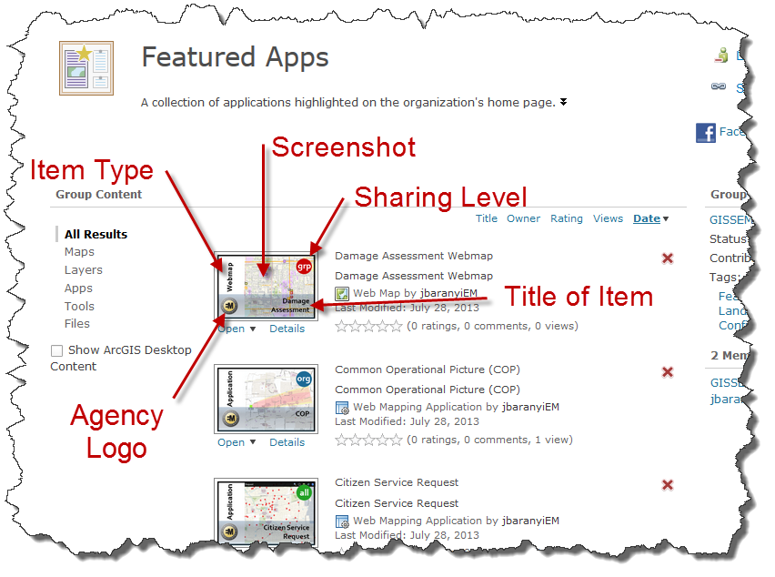
AGOL Thumbnail Generator

Thumbnail Features
Sharing Level
Item Type
Item Title

Instructions:
1. Edit thumbnail text using the drop down menu options provided
2. Click the photo image on the thumbnail to insert map and department logos
3. Rick click thumbnail and save as image

Item Type Descriptions
Basemap | Foundational geographic layers that are updated regularly and based on authoritative location data
Dashboard | Data displayed as multiple visualizations that work together on a single screen
Experience | Unique web pages and experiences using flexible layouts, contents and widgest that interact with 2D and 3D data
Form | Survey123, a complete, form-centric solution for creating, sharing and analyzing surveys
Image | An imagery file (.gif, .jpg, .jpeg, .png, .tif, or .tiff). These files can be used as a source for image services and imagery layers
Hub | A cloud platform that organizes people, data, and tools to accomplish Initiatives and goals
Layer | A hosted feature layer directly into AGOL and hosted only on the Esri Cloud. A reference to a data source, such as a shapefile, coverage, geodatabase feature class, or raster, that defines how the data should be symbolized on a map
PDF | A Portable Document Format file (.pdf)
Service | A hosted layer, usually web or map services, published from ArcGIS Server and registered inside AGOL (e.g. data, geocoding, geoprocessing services)
Story Map | A story authoring web-based application that allows you to share your maps in the context of narrative text and other multimedia content
Table | Created in any software that supports the creation of tabular data such as spreadsheets
WebApp | Web browser software that help you interact with maps and data using widgets and additional functions
WebMap | An interactive display of geographic information

